Import Comparisons
Roll No | 12345G
Nominal Code
Nominal Code | Final Accounts |  | FSSU Import Comparisons rules
 |  |  | To complete the comparison sheet, you can either manually enter the chart of account nominal codes in column A with the corresponding amounts in column B, or copy and paste them directly into these columns. Debit amounts should be entered as positive values, and credit balances should be entered as negative values

 |  |  | If nominal codes in column A don’t match the following criteria they will highlight and will not import:
 |  |  | 1. Don’t match the nominal code in the COA for the 2024/2025 school accounts
 |  |  | 2. Nominal code contains a non numeric character
 |  |  | 3. Codes that should no longer to be used in the COA will turn red.
 |  |  | It will import up to an empty cell in Column A
 |  |  | If any amount in column B does not contain a positive or negative figure will not import
 |  |  | Negative figure imports as a Credit/Positive figure imports as a Debit
 |  |  | If the Worksheet is not named “Import Comparisons” the import will not proceed
 |  |  | New imports will overwrite existing import with new nominal codes and values

 |  |  | TB Balance Check |  | 0.00

 |  |  | Changes to the Chart of Accounts Applicable from September 1st 2025 for the 2025/2026 school accounts

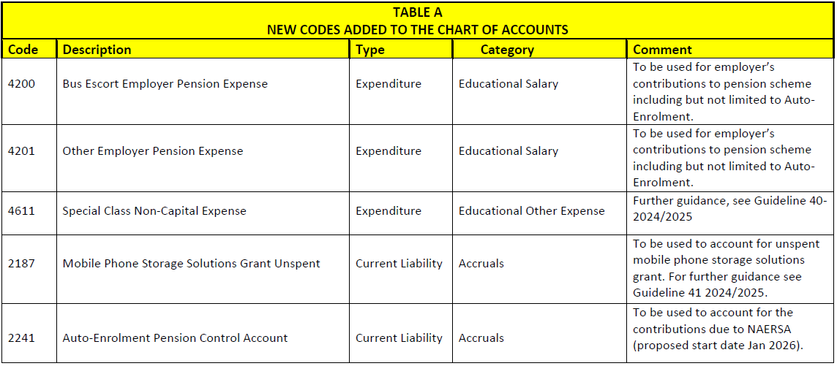

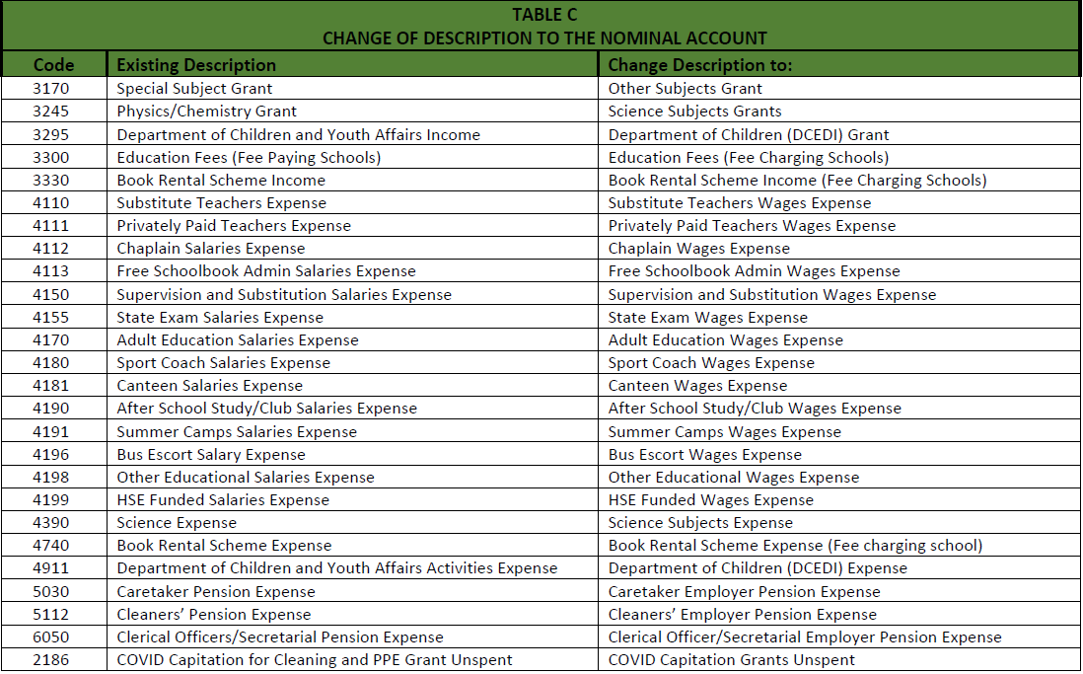

 |  | TB Balance Check |  | 0.00

 |  | Do not enter values beyond row 337

