Journal Import Instructions
Instructions for importing journal
1) Go to Settings > Imports
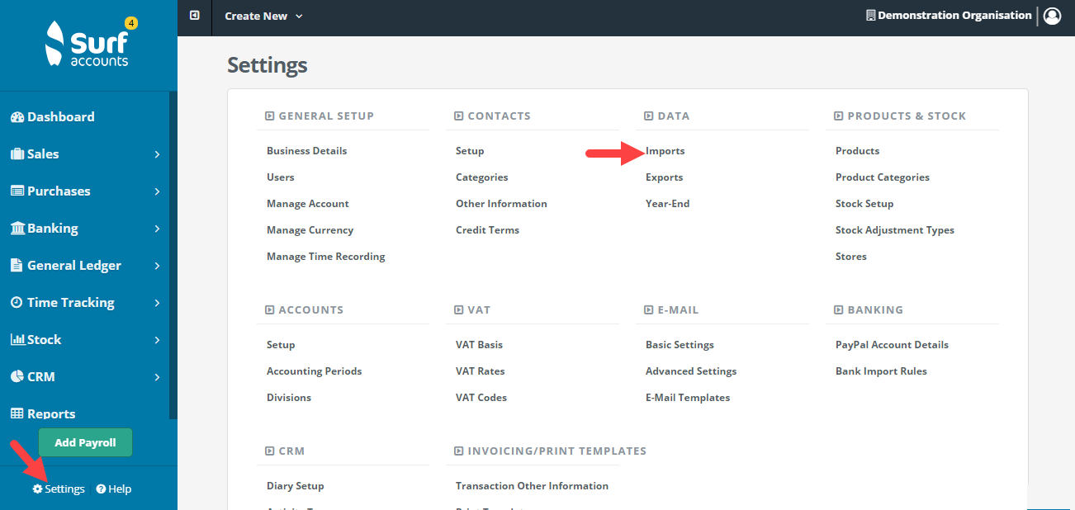

2) Select Journals > Next

3) Download and save a template (note the template should be saved as a csv file)

6) Copy and paste the information from the journal tab here into the import sheet

7) Select the file and import

9) Select the file and import. If there are any issues you will get an error message and the journal won't import.
If successful you will be brought directly to the journal page in the general ledger

